CFA full model
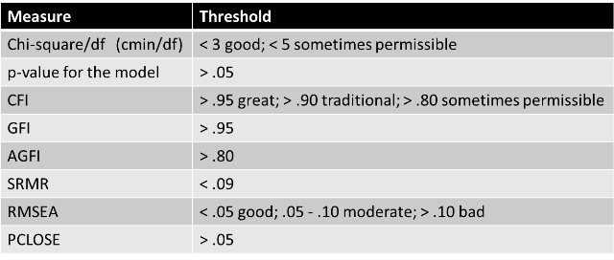

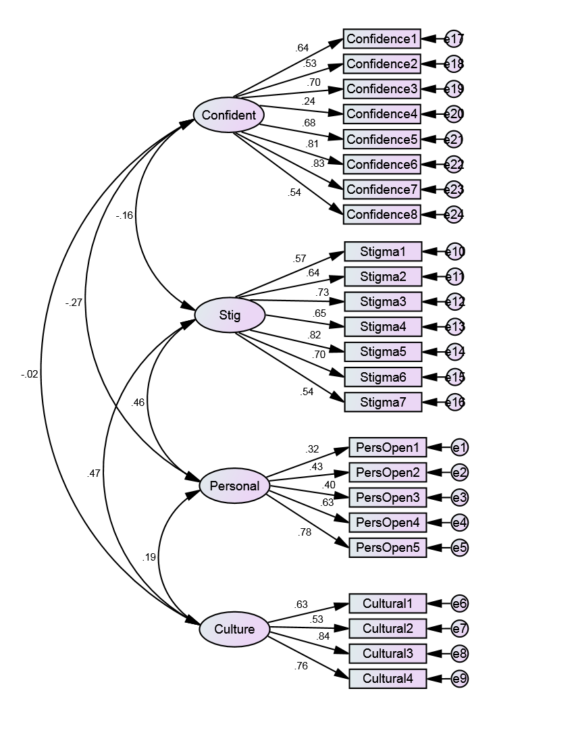

 |  |  |  |  |  |  |  | Regression Weights: (Group number 1 - Default model) |  |  |  |  |  |  |  | Standardized Regression Weights: (Group number 1 - Default model) |  |  |  | Variances: (Group number 1 - Default model)

 |  |  |  |  |  |  |  |  |  |  | Estimate | S.E. | C.R. | P | Label |  |  |  | Estimate |  | Estimate | S.E. | C.R. | P | Label
 |  |  |  |  |  |  |  | PersOpen1 | <--- | Personal | 1 |  |  |  |  | PersOpen1 | <--- | Personal | 0.321 | Personal | 0.217 | 0.095 | 2.275 | 0.023
 |  |  |  |  |  |  |  | PersOpen2 | <--- | Personal | 1.468 | 0.389 | 3.774 | *** |  | PersOpen2 | <--- | Personal | 0.431 | Culture | 0.312 | 0.061 | 5.133 | ***
 |  |  |  |  |  |  |  | PersOpen3 | <--- | Personal | 0.987 | 0.27 | 3.658 | *** |  | PersOpen3 | <--- | Personal | 0.4 | Confident | 0.436 | 0.08 | 5.446 | ***
 |  |  |  |  |  |  |  | PersOpen4 | <--- | Personal | 1.582 | 0.373 | 4.241 | *** |  | PersOpen4 | <--- | Personal | 0.633 | Stig | 0.239 | 0.052 | 4.622 | ***
CMIN |  |  |  |  |  |  |  | PersOpen5 | <--- | Personal | 2.002 | 0.464 | 4.314 | *** |  | PersOpen5 | <--- | Personal | 0.784 | e1 | 1.881 | 0.174 | 10.818 | ***
Model | NPAR | CMIN | DF | P | CMIN/DF |  |  | Cultural1 | <--- | Culture | 1 |  |  |  |  | Cultural1 | <--- | Culture | 0.633 | e2 | 2.046 | 0.197 | 10.377 | ***
Default model | 54 | 456.322 | 246 | 0.00 | 1.855 |  |  | Cultural2 | <--- | Culture | 1.4 | 0.198 | 7.074 | *** |  | Cultural2 | <--- | Culture | 0.532 | e3 | 1.11 | 0.105 | 10.528 | ***
Saturated model | 300 | 0 | 0 |  |  |  |  | Cultural3 | <--- | Culture | 1.638 | 0.172 | 9.496 | *** |  | Cultural3 | <--- | Culture | 0.835 | e4 | 0.812 | 0.096 | 8.418 | ***
Independence model | 24 | 2257.675 | 276 | 0.00 | 8.18 |  |  | Cultural4 | <--- | Culture | 1.714 | 0.186 | 9.203 | *** |  | Cultural4 | <--- | Culture | 0.756 | e5 | 0.545 | 0.106 | 5.131 | ***
 |  |  |  |  |  |  |  | Stigma1 | <--- | Stig | 1 |  |  |  |  | Stigma1 | <--- | Stig | 0.567 | e6 | 0.466 | 0.048 | 9.631 | ***
RMR, GFI |  |  |  |  |  |  |  | Stigma2 | <--- | Stig | 1.206 | 0.155 | 7.798 | *** |  | Stigma2 | <--- | Stig | 0.642 | e7 | 1.552 | 0.15 | 10.32 | ***
Model | RMR | GFI | AGFI | PGFI |  |  |  | Stigma3 | <--- | Stig | 1.916 | 0.226 | 8.479 | *** |  | Stigma3 | <--- | Stig | 0.733 | e8 | 0.363 | 0.065 | 5.61 | ***
Default model | 0.096 | 0.877 | 0.850 | 0.719 |  |  |  | Stigma4 | <--- | Stig | 1.178 | 0.15 | 7.833 | *** |  | Stigma4 | <--- | Stig | 0.646 | e9 | 0.689 | 0.089 | 7.78 | ***
Saturated model | 0 | 1 |  |  |  |  |  | Stigma5 | <--- | Stig | 1.996 | 0.222 | 8.99 | *** |  | Stigma5 | <--- | Stig | 0.817 | e10 | 0.506 | 0.048 | 10.467 | ***
Independence model | 0.324 | 0.438 | 0.39 | 0.403 |  |  |  | Stigma6 | <--- | Stig | 1.88 | 0.228 | 8.253 | *** |  | Stigma6 | <--- | Stig | 0.701 | e11 | 0.498 | 0.049 | 10.088 | ***
 |  |  |  |  |  |  |  | Stigma7 | <--- | Stig | 1.19 | 0.172 | 6.931 | *** |  | Stigma7 | <--- | Stig | 0.542 | e12 | 0.756 | 0.081 | 9.304 | ***
Baseline Comparisons |  |  |  |  |  |  |  | Confidence1 | <--- | Confident | 1 |  |  |  |  | Confidence1 | <--- | Confident | 0.644 | e13 | 0.464 | 0.046 | 10.061 | ***
Model | NFI | RFI | IFI | TLI | CFI |  |  | Confidence2 | <--- | Confident | 1.119 | 0.15 | 7.468 | *** |  | Confidence2 | <--- | Confident | 0.533 | e14 | 0.475 | 0.06 | 7.892 | ***
 | Delta1 | rho1 | Delta2 | rho2 |  |  |  | Confidence3 | <--- | Confident | 1.533 | 0.164 | 9.364 | *** |  | Confidence3 | <--- | Confident | 0.698 | e15 | 0.876 | 0.091 | 9.639 | ***
Default model | 0.798 | 0.773 | 0.895 | 0.881 | 0.894 |  |  | Confidence4 | <--- | Confident | 0.504 | 0.144 | 3.502 | *** |  | Confidence4 | <--- | Confident | 0.238 | e16 | 0.814 | 0.077 | 10.561 | ***
Saturated model | 1 |  | 1 |  | 1 |  |  | Confidence5 | <--- | Confident | 1.34 | 0.147 | 9.136 | *** |  | Confidence5 | <--- | Confident | 0.677 | e17 | 0.615 | 0.061 | 10.164 | ***
Independence model | 0 | 0 | 0 | 0 | 0 |  |  | Confidence6 | <--- | Confident | 1.541 | 0.147 | 10.465 | *** |  | Confidence6 | <--- | Confident | 0.809 | e18 | 1.375 | 0.129 | 10.644 | ***
 |  |  |  |  |  |  |  | Confidence7 | <--- | Confident | 1.362 | 0.128 | 10.611 | *** |  | Confidence7 | <--- | Confident | 0.826 | e19 | 1.08 | 0.11 | 9.792 | ***
RMSEA |  |  |  |  |  |  |  | Confidence8 | <--- | Confident | 1.174 | 0.155 | 7.553 | *** |  | Confidence8 | <--- | Confident | 0.54 | e20 | 1.853 | 0.166 | 11.157 | ***
Model | RMSEA | LO 90 | HI 90 | PCLOSE |  |  |  |  |  |  |  |  |  |  |  |  |  |  |  | e21 | 0.928 | 0.093 | 9.954 | ***
Default model | 0.058 | 0.05 | 0.066 | 0.055 |  |  |  |  |  |  |  |  |  |  |  |  |  |  |  | e22 | 0.548 | 0.066 | 8.303 | ***
Independence model | 0.168 | 0.162 | 0.175 | 0 |  |  |  |  | Correlations: (Group number 1 - Default model) |  |  |  |  |  |  |  |  |  |  | e23 | 0.378 | 0.048 | 7.917 | ***
 |  |  |  |  |  |  |  |  |  |  |  |  |  |  |  |  |  |  |  | e24 | 1.46 | 0.137 | 10.622 | ***
Covariances: (Group number 1 - Default model) |  |  |  |  |  |  |  |  |  |  |  | Estimate
 |  |  |  |  |  |  |  |  | Confident | <--> | Stig | -0.158
 |  |  | Estimate | S.E. | C.R. | P | Label |  | Personal | <--> | Confident | -0.269
Confident | <--> | Stig | -0.051 | 0.024 | -2.106 | 0.035 |  |  | Culture | <--> | Confident | -0.018
Personal | <--> | Confident | -0.083 | 0.031 | -2.678 | 0.007 |  |  | Personal | <--> | Stig | 0.464
Culture | <--> | Confident | -0.007 | 0.027 | -0.25 | 0.803 |  |  | Culture | <--> | Stig | 0.471
Personal | <--> | Stig | 0.106 | 0.031 | 3.382 | *** |  |  | Personal | <--> | Culture | 0.188
Culture | <--> | Stig | 0.129 | 0.027 | 4.724 | ***
Personal | <--> | Culture | 0.049 | 0.024 | 2.037 | 0.042

CR = composite reliabilty
AVE = average variance extracted
MSV = Maximum shared variance

 | CR | AVE | MSV | MaxR(H) | Personal | Confident | Stig | Culture
Personal | 0.657 | 0.340 | 0.215 | 0.728 | 0.583
Confident | 0.841 | 0.416 | 0.072 | 0.881 | -0.269 | 0.645
Stig | 0.848 | 0.449 | 0.222 | 0.866 | 0.464
Culture | 0.788 | 0.488 | 0.222 | 0.825 | 0.188 | -0.018 | 0.471

VALIDITY CONCERNS
Reliability: the CR for Personal is less than 0.70.
Convergent Validity: the AVE for Personal is less than 0.50.
Convergent Validity: the AVE for Confident is less than 0.50.
Convergent Validity: the AVE for Stig is less than 0.50.
Convergent Validity: the AVE for Culture is less than 0.50.

Reliability
CR > 0.7
Convergent Validity
AVE > 0.5
Discriminant Validity
MSV < AVE
Square root of AVE greater than inter-construct correlations

CFA 3-items removed
 |  |  |  |  |  |  |  |  |  | Regression Weights: (Group number 1 - Default model) |  |  |  |  |  |  |  | Standardized Regression Weights: (Group number 1 - Default model) |  |  |  | Variances: (Group number 1 - Default model)
3-items removed: Confidence 4; Stigma 1 & 7
 |  |  |  |  |  |  |  |  |  |  |  |  | Estimate | S.E. | C.R. | P | Label |  |  |  | Estimate |  | Estimate | S.E. | C.R. | P | Label
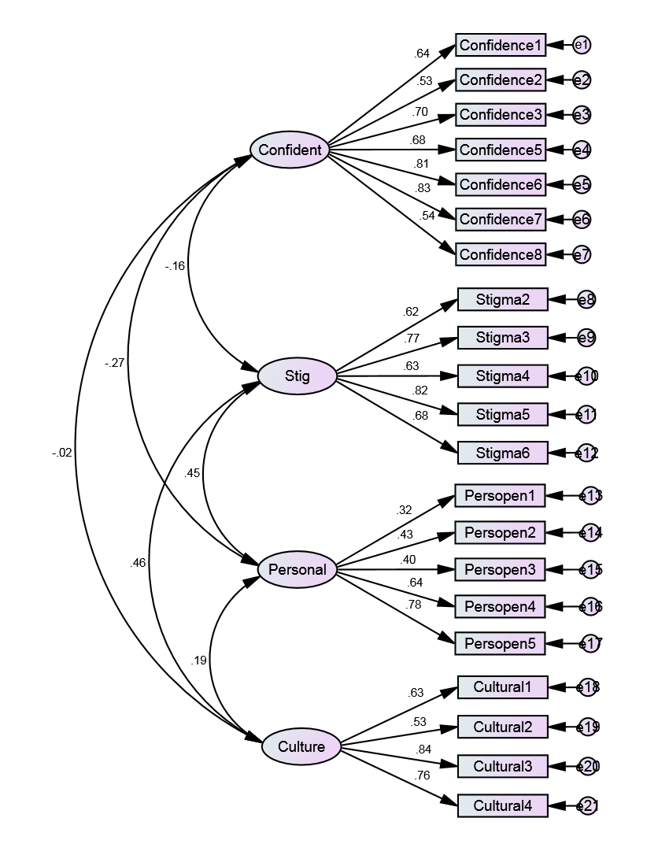
 |  |  |  |  |  |  |  |  |  | Confidence1 | <--- | Confident | 1 |  |  |  |  | Confidence1 | <--- | Confident | 0.642 | Confident | 0.433 | 0.08 | 5.416 | ***
 |  |  |  |  |  |  |  |  |  | Confidence2 | <--- | Confident | 1.121 | 0.151 | 7.433 | *** |  | Confidence2 | <--- | Confident | 0.532 | Stig | 0.326 | 0.064 | 5.122 | ***
 |  |  |  |  |  |  |  |  |  | Confidence3 | <--- | Confident | 1.542 | 0.165 | 9.34 | *** |  | Confidence3 | <--- | Confident | 0.699 | Personal | 0.217 | 0.096 | 2.271 | 0.023
 |  |  |  |  |  |  |  |  |  | Confidence5 | <--- | Confident | 1.347 | 0.148 | 9.108 | *** |  | Confidence5 | <--- | Confident | 0.678 | Culture | 0.311 | 0.061 | 5.116 | ***
 |  |  |  |  |  |  |  |  |  | Confidence6 | <--- | Confident | 1.543 | 0.149 | 10.387 | *** |  | Confidence6 | <--- | Confident | 0.807 | e1 | 0.619 | 0.061 | 10.171 | ***
 |  |  |  |  |  |  |  |  |  | Confidence7 | <--- | Confident | 1.372 | 0.13 | 10.569 | *** |  | Confidence7 | <--- | Confident | 0.828 | e2 | 1.377 | 0.129 | 10.644 | ***
 |  |  |  |  |  |  |  |  |  | Confidence8 | <--- | Confident | 1.177 | 0.157 | 7.521 | *** |  | Confidence8 | <--- | Confident | 0.539 | e3 | 1.075 | 0.11 | 9.767 | ***
 |  |  |  |  |  |  |  |  |  | Stigma2 | <--- | Stig | 1 |  |  |  |  | Stigma2 | <--- | Stig | 0.621 | e4 | 0.926 | 0.093 | 9.938 | ***
 | Baseline Comparisons |  |  |  |  |  |  |  |  | Stigma3 | <--- | Stig | 1.722 | 0.182 | 9.46 | *** |  | Stigma3 | <--- | Stig | 0.769 | e5 | 0.554 | 0.066 | 8.326 | ***
 |  |  |  |  |  |  |  |  |  | Stigma4 | <--- | Stig | 0.991 | 0.12 | 8.24 | *** |  | Stigma4 | <--- | Stig | 0.634 | e6 | 0.373 | 0.048 | 7.831 | ***
 | Model | NFI | RFI | IFI | TLI | CFI |  |  |  | Stigma5 | <--- | Stig | 1.725 | 0.175 | 9.84 | *** |  | Stigma5 | <--- | Stig | 0.824 | e7 | 1.462 | 0.138 | 10.62 | ***
 |  | Delta1 | rho1 | Delta2 | rho2 |  |  |  |  | Stigma6 | <--- | Stig | 1.566 | 0.18 | 8.701 | *** |  | Stigma6 | <--- | Stig | 0.681 | e8 | 0.521 | 0.052 | 10.076 | ***
 | Default model | 0.841 | 0.818 | 0.929 | 0.917 | 0.928 |  |  |  | Persopen1 | <--- | Personal | 1 |  |  |  |  | Persopen1 | <--- | Personal | 0.322 | e9 | 0.669 | 0.079 | 8.472 | ***
 | Saturated model | 1.000 |  | 1.000 |  | 1.000 |  |  |  | Persopen2 | <--- | Personal | 1.471 | 0.39 | 3.77 | *** |  | Persopen2 | <--- | Personal | 0.432 | e10 | 0.477 | 0.048 | 9.99 | ***
 | Independence model | 0.000 | 0.000 | 0.000 | 0.000 | 0.000 |  |  |  | Persopen3 | <--- | Personal | 0.993 | 0.271 | 3.661 | *** |  | Persopen3 | <--- | Personal | 0.403 | e11 | 0.459 | 0.064 | 7.221 | ***
 |  |  |  |  |  |  |  |  |  | Persopen4 | <--- | Personal | 1.589 | 0.375 | 4.234 | *** |  | Persopen4 | <--- | Personal | 0.636 | e12 | 0.923 | 0.096 | 9.615 | ***
 | RMSEA |  |  |  |  |  |  |  |  | Persopen5 | <--- | Personal | 1.988 | 0.462 | 4.302 | *** |  | Persopen5 | <--- | Personal | 0.779 | e13 | 1.881 | 0.174 | 10.81 | ***
 |  |  |  |  |  |  |  |  |  | Cultural1 | <--- | Culture | 1 |  |  |  |  | Cultural1 | <--- | Culture | 0.632 | e14 | 2.043 | 0.197 | 10.357 | ***
 | Model | RMSEA | LO 90 | HI 90 | PCLOSE |  |  |  |  | Cultural2 | <--- | Culture | 1.408 | 0.199 | 7.081 | *** |  | Cultural2 | <--- | Culture | 0.533 | e15 | 1.107 | 0.105 | 10.504 | ***
 | Default model | 0.052 | 0.042 | 0.062 | 0.367 |  |  |  |  | Cultural3 | <--- | Culture | 1.643 | 0.174 | 9.461 | *** |  | Cultural3 | <--- | Culture | 0.836 | e16 | 0.806 | 0.097 | 8.327 | ***
 | Independence model | 0.180 | 0.173 | 0.188 | 0.000 |  |  |  |  | Cultural4 | <--- | Culture | 1.717 | 0.187 | 9.173 | *** |  | Cultural4 | <--- | Culture | 0.755 | e17 | 0.556 | 0.107 | 5.219 | ***
 |  |  |  |  |  |  |  |  |  |  |  |  |  |  |  |  |  |  |  |  |  | e18 | 0.468 | 0.049 | 9.64 | ***
 | CMIN |  |  |  |  |  |  |  |  | Correlations: (Group number 1 - Default model) |  |  |  |  | Squared Multiple Correlations: (Group number 1 - Default model) |  |  |  |  |  |  | e19 | 1.549 | 0.15 | 10.309 | ***
 |  |  |  |  |  |  |  |  |  |  |  |  |  |  |  |  |  |  |  |  |  | e20 | 0.361 | 0.065 | 5.568 | ***
 | Model | NPAR | CMIN | DF | P | CMIN/DF |  |  |  |  |  |  | Estimate |  |  | Estimate |  |  |  |  |  | e21 | 0.69 | 0.089 | 7.773 | ***
 | Default model | 48.000 | 307.734 | 183.000 | 0.000 | 1.682 |  |  |  | Confident | <--> | Stig | -0.163 |  | Cultural4 | 0.57
 | Saturated model | 231.000 | 0.000 | 0.000 |  |  |  |  |  | Confident | <--> | Personal | -0.272 |  | Cultural3 | 0.699
 | Independence model | 21.000 | 1939.407 | 210.000 | 0.000 | 9.235 |  |  |  | Confident | <--> | Culture | -0.023 |  | Cultural2 | 0.285
 |  |  |  |  |  |  |  |  |  | Stig | <--> | Personal | 0.453 |  | Cultural1 | 0.399
 | Covariances: (Group number 1 - Default model) |  |  |  |  |  |  |  |  | Stig | <--> | Culture | 0.463 |  | Persopen5 | 0.607
 |  |  |  |  |  |  |  |  |  | Personal | <--> | Culture | 0.188 |  | Persopen4 | 0.405
 |  |  |  | Estimate | S.E. | C.R. | P | Label |  |  |  |  |  |  | Persopen3 | 0.162
 | Confident | <--> | Stig | -0.061 | 0.028 | -2.152 | 0.031 |  |  |  |  |  |  |  | Persopen2 | 0.187
 | Confident | <--> | Personal | -0.083 | 0.031 | -2.688 | 0.007 |  |  |  |  |  |  |  | Persopen1 | 0.103
 | Confident | <--> | Culture | -0.009 | 0.027 | -0.315 | 0.753 |  |  |  |  |  |  |  | Stigma6 | 0.464
 | Stig | <--> | Personal | 0.12 | 0.036 | 3.384 | *** |  |  |  |  |  |  |  | Stigma5 | 0.679
 | Stig | <--> | Culture | 0.147 | 0.031 | 4.771 | *** |  |  |  |  |  |  |  | Stigma4 | 0.402
 | Personal | <--> | Culture | 0.049 | 0.024 | 2.036 | 0.042 |  |  |  |  |  |  |  | Stigma3 | 0.591
 |  |  |  |  |  |  |  |  |  |  |  |  |  |  | Stigma2 | 0.385
 |  |  |  |  |  |  |  |  |  |  |  |  |  |  | Confidence8 | 0.291
 |  |  |  |  |  |  |  |  |  |  |  |  |  |  | Confidence7 | 0.686
 | CR = composite reliabilty |  |  |  |  |  |  |  |  |  |  |  |  |  | Confidence6 | 0.65
 | AVE = average variance extracted |  |  |  |  |  |  |  |  |  |  |  |  |  | Confidence5 | 0.459
 | MSV = Maximum shared variance |  |  |  |  |  |  |  |  |  |  |  |  |  | Confidence3 | 0.489
 |  | CR | AVE | MSV | MaxR(H) | Personal | Confident | Stig | Culture |  |  |  |  |  | Confidence2 | 0.283
 | Personal | 0.652 | 0.293 | 0.205 | 0.734 | 0.541 |  |  |  |  |  |  |  |  | Confidence1 | 0.412
 | Confident | 0.857 | 0.467 | 0.074 | 0.880 | -0.272 | 0.684
 | Stig | 0.834 | 0.504 | 0.214 | 0.851 | 0.453 | -0.163 | 0.710
 | Culture | 0.788 | 0.488 | 0.214 | 0.825 | 0.188 | -0.023 | 0.463 | 0.699

 | VALIDITY CONCERNS
 | Reliability: the CR for Personal is less than 0.70.
 | Convergent Validity: the AVE for Personal is less than 0.50.
 | Convergent Validity: the AVE for Confident is less than 0.50.
 | Convergent Validity: the AVE for Culture is less than 0.50.

 | Reliability
 | CR > 0.7
 | Convergent Validity
 | AVE > 0.5
 | Discriminant Validity
 | MSV < AVE
 | Square root of AVE greater than inter-construct correlations

CFA 3-item removed + covariance
Items removed: confidence 4; Stigma 1 & 7

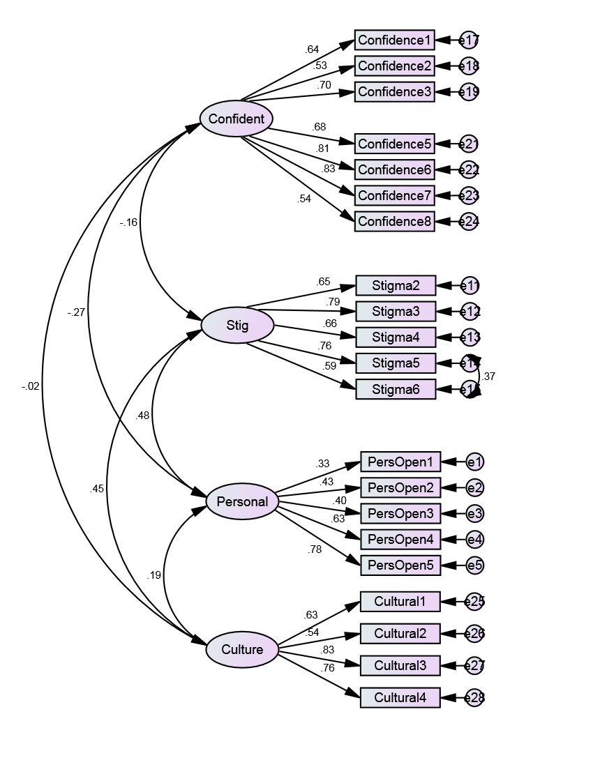

 |  |  |  |  |  |  |  |  | Regression Weights: (Group number 1 - Default model) |  |  |  |  |  |  |  | Standardized Regression Weights: (Group number 1 - Default model) |  |  |  | Variances: (Group number 1 - Default model) |  |  |  |  |  | Covariances: (Group number 1 - Default model)

 |  |  |  |  |  |  |  |  |  |  |  | Estimate | S.E. | C.R. | P | Label |  |  |  | Estimate |  | Estimate | S.E. | C.R. | P | Label |  |  |  | M.I. | Par Change
 |  |  |  |  |  |  |  |  | PersOpen1 | <--- | Personal | 1 |  |  |  |  | PersOpen1 | <--- | Personal | 0.326 | Personal | 0.223 | 0.097 | 2.306 | 0.021 |  | e24 | <--> | Personal | 13.739 | -0.145
 |  |  |  |  |  |  |  |  | PersOpen2 | <--- | Personal | 1.459 | 0.382 | 3.82 | *** |  | PersOpen2 | <--- | Personal | 0.435 | Confident | 0.433 | 0.08 | 5.416 | *** |  | e22 | <--> | e28 | 5.74 | -0.12
 | CMIN |  |  |  |  |  |  |  | PersOpen3 | <--- | Personal | 0.979 | 0.265 | 3.697 | *** |  | PersOpen3 | <--- | Personal | 0.402 | Stig | 0.363 | 0.067 | 5.393 | *** |  | e22 | <--> | e27 | 4.408 | 0.086
 |  |  |  |  |  |  |  |  | PersOpen4 | <--- | Personal | 1.563 | 0.364 | 4.29 | *** |  | PersOpen4 | <--- | Personal | 0.635 | Culture | 0.312 | 0.061 | 5.128 | *** |  | e19 | <--> | Stig | 5.207 | 0.091
 | Model | NPAR | CMIN | DF | P | CMIN/DF |  |  | PersOpen5 | <--- | Personal | 1.955 | 0.448 | 4.368 | *** |  | PersOpen5 | <--- | Personal | 0.777 | e1 | 1.875 | 0.174 | 10.798 | *** |  | e19 | <--> | e24 | 6.073 | 0.211
 | Default model | 49 | 286.316 | 182 | 0.000 | 1.573 |  |  | Stigma2 | <--- | Stig | 1 |  |  |  |  | Stigma2 | <--- | Stig | 0.655 | e2 | 2.038 | 0.197 | 10.349 | *** |  | e18 | <--> | e21 | 6.573 | 0.196
 | Saturated model | 231 | 0 | 0 |  |  |  |  | Stigma3 | <--- | Stig | 1.684 | 0.171 | 9.876 | *** |  | Stigma3 | <--- | Stig | 0.793 | e3 | 1.107 | 0.105 | 10.509 | *** |  | e17 | <--> | Culture | 4.785 | 0.064
 | Independence model | 21 | 1939.407 | 210 | 0.000 | 9.235 |  |  | Stigma4 | <--- | Stig | 0.983 | 0.113 | 8.721 | *** |  | Stigma4 | <--- | Stig | 0.663 | e4 | 0.809 | 0.096 | 8.392 | *** |  | e17 | <--> | Stig | 5.099 | -0.067
 |  |  |  |  |  |  |  |  | Stigma5 | <--- | Stig | 1.512 | 0.157 | 9.624 | *** |  | Stigma5 | <--- | Stig | 0.762 | e5 | 0.56 | 0.105 | 5.325 | *** |  | e17 | <--> | e28 | 7.441 | 0.133
 | RMR, GFI |  |  |  |  |  |  |  | Stigma6 | <--- | Stig | 1.289 | 0.166 | 7.782 | *** |  | Stigma6 | <--- | Stig | 0.591 | e11 | 0.484 | 0.051 | 9.562 | *** |  | e17 | <--> | e18 | 8.826 | 0.184
 |  |  |  |  |  |  |  |  | Confidence1 | <--- | Confident | 1 |  |  |  |  | Confidence1 | <--- | Confident | 0.642 | e12 | 0.606 | 0.082 | 7.347 | *** |  | e13 | <--> | e28 | 5.482 | 0.099
 | Model | RMR | GFI | AGFI | PGFI |  |  |  | Confidence2 | <--- | Confident | 1.121 | 0.151 | 7.434 | *** |  | Confidence2 | <--- | Confident | 0.532 | e13 | 0.446 | 0.047 | 9.479 | *** |  | e13 | <--> | e14 | 5.318 | -0.08
 | Default model | 0.093 | 0.908 | 0.884 | 0.716 |  |  |  | Confidence3 | <--- | Confident | 1.543 | 0.165 | 9.341 | *** |  | Confidence3 | <--- | Confident | 0.699 | e14 | 0.599 | 0.075 | 7.99 | *** |  | e12 | <--> | Culture | 4.895 | -0.072
 | Saturated model | 0 | 1 |  |  |  |  |  | Confidence5 | <--- | Confident | 1.347 | 0.148 | 9.106 | *** |  | Confidence5 | <--- | Confident | 0.677 | e15 | 1.119 | 0.115 | 9.761 | *** |  | e12 | <--> | e17 | 4.728 | -0.103
 | Independence model | 0.346 | 0.455 | 0.4 | 0.413 |  |  |  | Confidence6 | <--- | Confident | 1.543 | 0.149 | 10.389 | *** |  | Confidence6 | <--- | Confident | 0.807 | e17 | 0.619 | 0.061 | 10.171 | *** |  | e12 | <--> | e14 | 8.554 | 0.127
 |  |  |  |  |  |  |  |  | Confidence7 | <--- | Confident | 1.372 | 0.13 | 10.568 | *** |  | Confidence7 | <--- | Confident | 0.828 | e18 | 1.377 | 0.129 | 10.643 | *** |  | e11 | <--> | Personal | 6.611 | 0.06
 | Parsimony-Adjusted Measures |  |  |  |  |  |  |  | Confidence8 | <--- | Confident | 1.177 | 0.157 | 7.521 | *** |  | Confidence8 | <--- | Confident | 0.539 | e19 | 1.075 | 0.11 | 9.766 | *** |  | e11 | <--> | e21 | 4.551 | -0.101
 |  |  |  |  |  |  |  |  | Cultural1 | <--- | Culture | 1 |  |  |  |  | Cultural1 | <--- | Culture | 0.633 | e21 | 0.926 | 0.093 | 9.939 | *** |  | e4 | <--> | e19 | 4.32 | -0.142
 | Model | PRATIO | PNFI | PCFI |  |  |  |  | Cultural2 | <--- | Culture | 1.412 | 0.199 | 7.112 | *** |  | Cultural2 | <--- | Culture | 0.536 | e22 | 0.553 | 0.066 | 8.322 | *** |  | e4 | <--> | e17 | 4.073 | 0.103
 | Default model | 0.867 | 0.739 | 0.814 |  |  |  |  | Cultural3 | <--- | Culture | 1.63 | 0.172 | 9.451 | *** |  | Cultural3 | <--- | Culture | 0.832 | e23 | 0.373 | 0.048 | 7.834 | *** |  | e3 | <--> | e17 | 4.267 | -0.115
 | Saturated model | 0 | 0 | 0 |  |  |  |  | Cultural4 | <--- | Culture | 1.717 | 0.187 | 9.187 | *** |  | Cultural4 | <--- | Culture | 0.757 | e24 | 1.462 | 0.138 | 10.62 | *** |  | e2 | <--> | Stig | 5.149 | 0.12
 | Independence model | 1 | 0 | 0 |  |  |  |  |  |  |  |  |  |  |  |  |  |  |  |  | e25 | 0.466 | 0.049 | 9.607 | *** |  | e2 | <--> | e22 | 4.567 | 0.167
 |  |  |  |  |  |  |  |  |  |  |  |  |  |  |  |  |  |  |  |  | e26 | 1.542 | 0.15 | 10.282 | *** |  | e1 | <--> | Confident | 5.124 | 0.135
 | Baseline Comparisons |  |  |  |  |  |  |  |  | Correlations: (Group number 1 - Default model) |  |  |  |  |  |  |  |  |  |  | e27 | 0.37 | 0.065 | 5.672 | *** |  | e1 | <--> | e12 | 5.491 | 0.187
 |  |  |  |  |  |  |  |  |  |  |  |  |  |  |  |  |  |  |  |  | e28 | 0.685 | 0.089 | 7.696 | *** |  | e1 | <--> | e3 | 4.69 | 0.204
 | Model | NFI | RFI | IFI | TLI | CFI |  |  |  |  |  |  | Estimate
 |  | Delta1 | rho1 | Delta2 | rho2 |  |  |  |  | Confident | <--> | Stig | -0.163
 | Default model | 0.852 | 0.830 | 0.941 | 0.930 | 0.940 |  |  |  | Personal | <--> | Confident | -0.271
 | Saturated model | 1 |  | 1 |  | 1 |  |  |  | Confident | <--> | Culture | -0.022
 | Independence model | 0 | 0 | 0 | 0 | 0 |  |  |  | Personal | <--> | Stig | 0.483
 |  |  |  |  |  |  |  |  |  | Stig | <--> | Culture | 0.453
 | RMSEA |  |  |  |  |  |  |  |  | Personal | <--> | Culture | 0.187
 |  |  |  |  |  |  |  |  |  | e14 | <--> | e15 | 0.366
 | Model | RMSEA | LO 90 | HI 90 | PCLOSE
 | Default model | 0.048 | 0.037 | 0.058 | 0.637
 | Independence model | 0.18 | 0.173 | 0.188 | 0

 | Covariances: (Group number 1 - Default model)

 |  |  |  | Estimate | S.E. | C.R. | P | Label
 | Confident | <--> | Stig | -0.065 | 0.03 | -2.128 | 0.033
 | Personal | <--> | Confident | -0.084 | 0.031 | -2.699 | 0.007
 | Confident | <--> | Culture | -0.008 | 0.027 | -0.301 | 0.764
 | Personal | <--> | Stig | 0.138 | 0.039 | 3.496 | ***
 | Stig | <--> | Culture | 0.153 | 0.032 | 4.725 | ***
 | Personal | <--> | Culture | 0.049 | 0.024 | 2.034 | 0.042
 | e14 | <--> | e15 | 0.3 | 0.073 | 4.109 | ***

 | CR = composite reliabilty
 | AVE = average variance extracted
 | MSV = Maximum shared variance

 |  | CR | AVE | MSV | MaxR(H) | Personal | Confident | Stig | Culture
 | Personal | 0.657 | 0.339 | 0.233 | 0.724 | 0.583
 | Confident | 0.857 | 0.467 | 0.073 | 0.880 | -0.271 | 0.683
 | Stig | 0.823 | 0.485 | 0.233 | 0.837 | 0.483
 | Culture | 0.788 | 0.488 | 0.205 | 0.823 | 0.187 | -0.022 | 0.453

 | VALIDITY CONCERNS
 | Reliability: the CR for Personal is less than 0.70.
 | Convergent Validity: the AVE for Personal is less than 0.50.
 | Convergent Validity: the AVE for Confident is less than 0.50.
 | Convergent Validity: the AVE for Stig is less than 0.50.
 | Convergent Validity: the AVE for Culture is less than 0.50.

 | Reliability
 | CR > 0.7
 | Convergent Validity
 | AVE > 0.5
 | Discriminant Validity
 | MSV < AVE
 | Square root of AVE greater than inter-construct correlations

CFA 4-item removed + covariance
Items removed: confidence 1 & 4; Stigma 1 & 7

 |  |  |  |  |  |  |  | Regression Weights: (Group number 1 - Default model) |  |  |  |  |  |  |  | Standardized Regression Weights: (Group number 1 - Default model) |  |  |  | Variances: (Group number 1 - Default model)
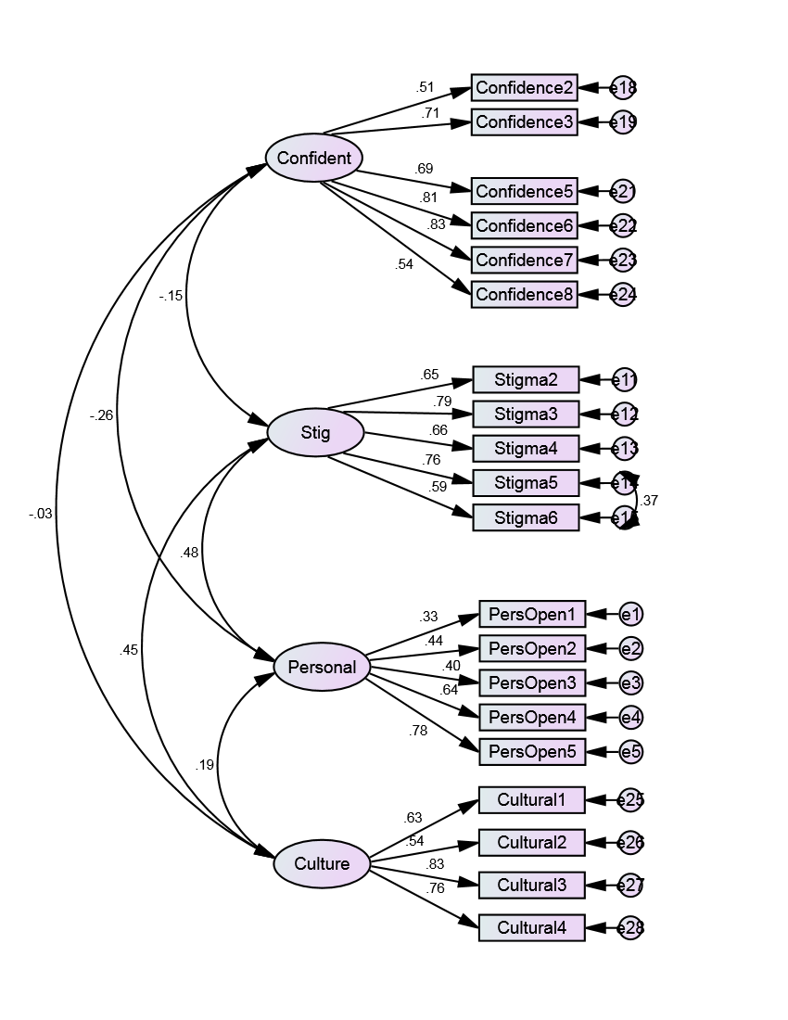
 |  |  |  |  |  |  |  |  |  |  | Estimate | S.E. | C.R. | P | Label |  |  |  | Estimate |  | Estimate | S.E. | C.R. | P | Label
 |  |  |  |  |  |  |  | PersOpen1 | <--- | Personal | 1 |  |  |  |  | PersOpen1 | <--- | Personal | 0.326 | Personal | 0.223 | 0.097 | 2.306 | 0.021
 |  |  |  |  |  |  |  | PersOpen2 | <--- | Personal | 1.46 | 0.382 | 3.82 | *** |  | PersOpen2 | <--- | Personal | 0.435 | Confident | 0.504 | 0.123 | 4.099 | ***
 |  |  |  |  |  |  |  | PersOpen3 | <--- | Personal | 0.976 | 0.264 | 3.691 | *** |  | PersOpen3 | <--- | Personal | 0.401 | Stig | 0.363 | 0.067 | 5.393 | ***
 |  |  |  |  |  |  |  | PersOpen4 | <--- | Personal | 1.567 | 0.365 | 4.291 | *** |  | PersOpen4 | <--- | Personal | 0.636 | Culture | 0.312 | 0.061 | 5.125 | ***
 |  |  |  |  |  |  |  | PersOpen5 | <--- | Personal | 1.952 | 0.447 | 4.366 | *** |  | PersOpen5 | <--- | Personal | 0.776 | e1 | 1.875 | 0.174 | 10.797 | ***
 | CMIN |  |  |  |  |  |  | Stigma2 | <--- | Stig | 1 |  |  |  |  | Stigma2 | <--- | Stig | 0.655 | e2 | 2.037 | 0.197 | 10.345 | ***
 | Model | NPAR | CMIN | DF | P | CMIN/DF |  | Stigma3 | <--- | Stig | 1.684 | 0.171 | 9.876 | *** |  | Stigma3 | <--- | Stig | 0.793 | e3 | 1.109 | 0.105 | 10.513 | ***
 | Default model | 47 | 232.429 | 163 | 0.000 | 1.426 |  | Stigma4 | <--- | Stig | 0.983 | 0.113 | 8.721 | *** |  | Stigma4 | <--- | Stig | 0.663 | e4 | 0.806 | 0.096 | 8.362 | ***
 | Saturated model | 210 | 0 | 0 |  |  |  | Stigma5 | <--- | Stig | 1.512 | 0.157 | 9.622 | *** |  | Stigma5 | <--- | Stig | 0.762 | e5 | 0.563 | 0.105 | 5.345 | ***
 | Independence model | 20 | 1773.8 | 190 | 0.000 | 9.336 |  | Stigma6 | <--- | Stig | 1.288 | 0.166 | 7.781 | *** |  | Stigma6 | <--- | Stig | 0.591 | e11 | 0.484 | 0.051 | 9.56 | ***
 |  |  |  |  |  |  |  | Confidence2 | <--- | Confident | 1 |  |  |  |  | Confidence2 | <--- | Confident | 0.512 | e12 | 0.606 | 0.083 | 7.341 | ***
 | RMR, GFI |  |  |  |  |  |  | Confidence3 | <--- | Confident | 1.448 | 0.193 | 7.521 | *** |  | Confidence3 | <--- | Confident | 0.709 | e13 | 0.446 | 0.047 | 9.478 | ***
 | Model | RMR | GFI | AGFI | PGFI |  |  | Confidence5 | <--- | Confident | 1.271 | 0.171 | 7.42 | *** |  | Confidence5 | <--- | Confident | 0.69 | e14 | 0.6 | 0.075 | 7.992 | ***
 | Default model | 0.093 | 0.919 | 0.896 | 0.714 |  |  | Confidence6 | <--- | Confident | 1.428 | 0.179 | 7.97 | *** |  | Confidence6 | <--- | Confident | 0.806 | e15 | 1.119 | 0.115 | 9.761 | ***
 | Saturated model | 0 | 1 |  |  |  |  | Confidence7 | <--- | Confident | 1.267 | 0.158 | 8.043 | *** |  | Confidence7 | <--- | Confident | 0.826 | e18 | 1.416 | 0.133 | 10.647 | ***
 | Independence model | 0.346 | 0.472 | 0.417 | 0.427 |  |  | Confidence8 | <--- | Confident | 1.083 | 0.169 | 6.398 | *** |  | Confidence8 | <--- | Confident | 0.535 | e19 | 1.047 | 0.11 | 9.511 | ***
 |  |  |  |  |  |  |  | Cultural1 | <--- | Culture | 1 |  |  |  |  | Cultural1 | <--- | Culture | 0.633 | e21 | 0.896 | 0.092 | 9.688 | ***
 | Baseline Comparisons |  |  |  |  |  |  | Cultural2 | <--- | Culture | 1.413 | 0.199 | 7.112 | *** |  | Cultural2 | <--- | Culture | 0.536 | e22 | 0.555 | 0.069 | 8.001 | ***
 | Model | NFI | RFI | IFI | TLI | CFI |  | Cultural3 | <--- | Culture | 1.633 | 0.173 | 9.448 | *** |  | Cultural3 | <--- | Culture | 0.833 | e23 | 0.378 | 0.05 | 7.503 | ***
 |  | Delta1 | rho1 | Delta2 | rho2 |  |  | Cultural4 | <--- | Culture | 1.716 | 0.187 | 9.179 | *** |  | Cultural4 | <--- | Culture | 0.756 | e24 | 1.471 | 0.139 | 10.569 | ***
 | Default model | 0.869 | 0.847 | 0.957 | 0.949 | 0.956 |  |  |  |  |  |  |  |  |  |  |  |  |  | e25 | 0.466 | 0.049 | 9.61 | ***
 | Saturated model | 1 |  | 1 |  | 1 |  |  | Correlations: (Group number 1 - Default model) |  |  |  |  |  |  |  |  |  |  | e26 | 1.542 | 0.15 | 10.283 | ***
 | Independence model | 0 | 0 | 0 | 0 | 0 |  |  |  |  |  |  |  |  |  |  |  |  |  | e27 | 0.368 | 0.065 | 5.643 | ***
 |  |  |  |  |  |  |  |  |  |  |  | Estimate |  |  |  |  |  |  |  | e28 | 0.687 | 0.089 | 7.712 | ***
 | Parsimony-Adjusted Measures |  |  |  |  |  |  |  | Confident | <--> | Stig | -0.148
 | Model | PRATIO | PNFI | PCFI |  |  |  |  | Personal | <--> | Confident | -0.263
 | Default model | 0.858 | 0.745 | 0.820 |  |  |  |  | Confident | <--> | Culture | -0.034
 | Saturated model | 0 | 0 | 0 |  |  |  |  | Personal | <--> | Stig | 0.484
 | Independence model | 1 | 0 | 0 |  |  |  |  | Stig | <--> | Culture | 0.453
 |  |  |  |  |  |  |  |  | Personal | <--> | Culture | 0.187
 | RMSEA |  |  |  |  |  |  |  | e14 | <--> | e15 | 0.366

 | Model | RMSEA | LO 90 | HI 90 | PCLOSE
 | Default model | 0.041 | 0.028 | 0.053 | 0.896
 | Independence model | 0.182 | 0.174 | 0.189 | 0

 | Covariances: (Group number 1 - Default model)

 |  |  |  | Estimate | S.E. | C.R. | P | Label
 | Confident | <--> | Stig | -0.063 | 0.033 | -1.908 | 0.056
 | Personal | <--> | Confident | -0.088 | 0.034 | -2.578 | 0.01
 | Confident | <--> | Culture | -0.014 | 0.03 | -0.459 | 0.647
 | Personal | <--> | Stig | 0.138 | 0.039 | 3.496 | ***
 | Stig | <--> | Culture | 0.153 | 0.032 | 4.725 | ***
 | Personal | <--> | Culture | 0.049 | 0.024 | 2.035 | 0.042
 | e14 | <--> | e15 | 0.3 | 0.073 | 4.11 | ***

 | CR = composite reliabilty
 | AVE = average variance extracted
 | MSV = Maximum shared variance

 |  | CR | AVE | MSV | MaxR(H) | Personal | Confident | Stig | Culture
 | Personal | 0.657 | 0.339 | 0.234 | 0.724 | 0.582
 | Confident | 0.841 | 0.477 | 0.069 | 0.870 | -0.263 | 0.690
 | Stig | 0.823 | 0.485 | 0.234 | 0.837 | 0.484
 | Culture | 0.788 | 0.488 | 0.205 | 0.824 | 0.187 | -0.034 | 0.453

 | VALIDITY CONCERNS
 | Reliability: the CR for Personal is less than 0.70.
 | Convergent Validity: the AVE for Personal is less than 0.50.
 | Convergent Validity: the AVE for Confident is less than 0.50.
 | Convergent Validity: the AVE for Stig is less than 0.50.
 | Convergent Validity: the AVE for Culture is less than 0.50.

 | Reliability
 | CR > 0.7
 | Convergent Validity
 | AVE > 0.5
 | Discriminant Validity
 | MSV < AVE
 | Square root of AVE greater than inter-construct correlations

